Stratos
 |  | Platformconfigurator Stratos
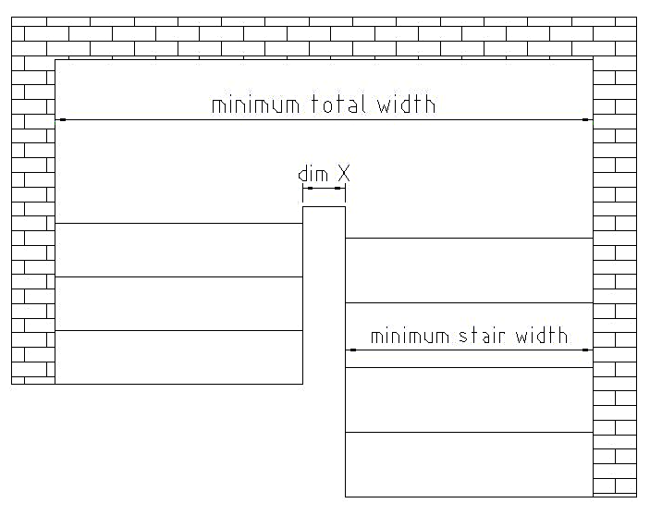

 | Input Data |  |  |  | Required space on curved stair
 | Platform width | 750 |  |  | Minimum stair width | 1099 | mm
 | Platform length | 850 |  |  | Minimum total width | 2397 | mm
 | Way of fixing | directly to the wall
 | 90° ramp | no |  |  | Requierd space on straight stair(no curves)
 |  |  |  |  | Minimum stair width | 988 | mm
 | Dim X wider than | 200 | mm? | No
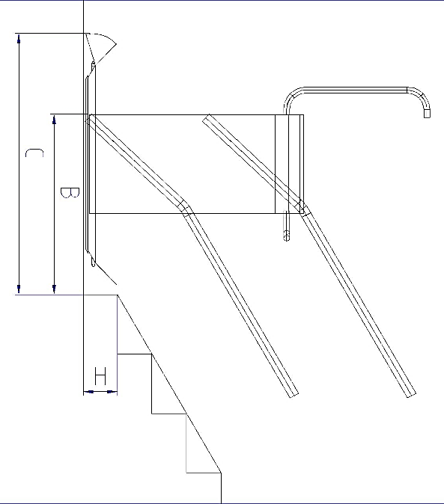

 | Angle stair flight 1 | 30 | °
 | Angle stair flight 2 | 30 | °

 | Input data for steep start only |  |  |  | Required space for steep start
 | Height of first step H | 0 | mm |  | Dim B to end of rail | 710 | mm
 | Length of lower ramp | 150 | mm |  | Dim C to end of platform | 1046 | mm

 |  |  |  |  | Feasibility negative curve
 |  |  |  |  | The minimum bending radius for outside curves
 |  |  |  |  | (negative curves) is set to 3500mm

Standard platform sizes: 700x750;750x850;800x900;800x1000;
Attention: the configurated dimension are just for rough checking the possibilities; The real feasibility can differ in special cases
Lehner Lifttechnik GmbH does not take over responsibility for the final feasibility; Changes without prior notice possible, all rights reserved.

Omega-F
 |  | Platformconfigurator Omega-F

 | Input Data
 | Platform width | 800 |  |  | Required space on curved stair
 | Platform length | 1000 |  |  | Minimum stair width | 1106 | mm
 | Way of fixing | directly to the wall |  |  | Minimum total width | 2271 | mm
 | 90° ramp | no

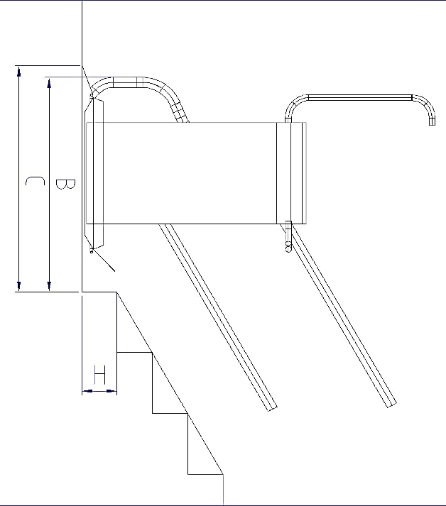
 | Dim X wider than | 60 | mm? | No | Required space on straight stair(no curves)
 |  |  |  |  | Minimum stair width | 990 | mm

 | Input data for steep start only |  |  |  | Required space for steep start
 | Height of first step H | 0 | mm |  | Dim B to end of rail | 982 | mm
 | Length of lower ramp | 150 | mm |  | Dim C to end of platform | 1196 | mm

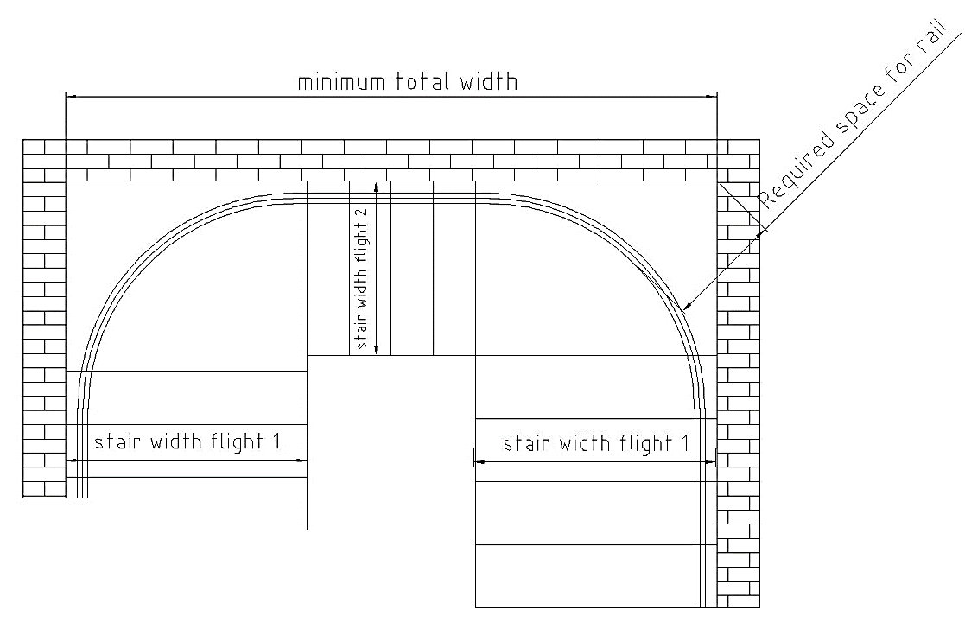
 | Input data for negative curve only |  |  |  | Feasibility check negative curve
 | Length of ramps | 150 | mm |  | Negative curve feasible? | feasible
 | Stair width flight 1 | 1400 |  |  | Minimum total width | 3762 | mm
 | Stair width flight 2 | 1400 |  |  | Required space for rail | 885 | mm

Standard platform sizes: 700x750;750x850;800x900;800x1000;
Attention: the configurated dimension are just for rough checking the possibilities; The real feasibility can differ in special cases
Lehner Lifttechnik GmbH does not take over responsibility for the final feasibility; Changes without prior notice possible, all rights reserved.

Delta
 |  | Platformconfigurator Delta

 | Input Data |  | Required space on stair
 | Platform width | 700 | Minimum stair width | 885 | mm
 | Platform length | 750
 | Way of fixing | -
 | 90° ramp | no
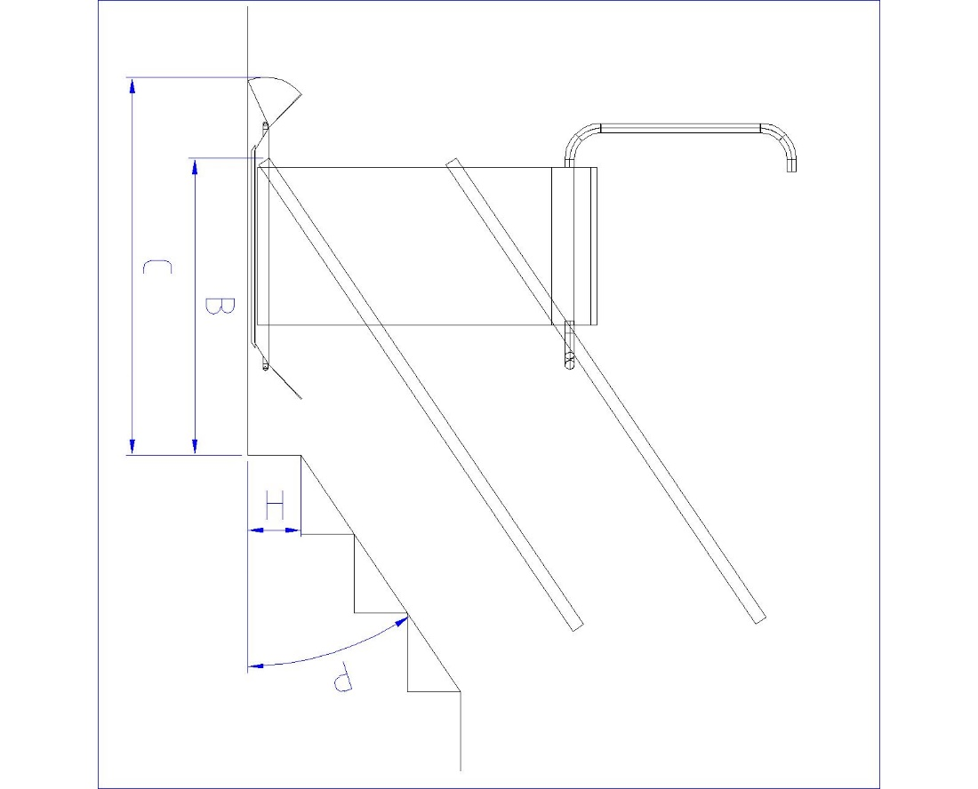

 | Stair inclination P |  | Required space in front of the first step
 | Height of 1st step H |  | Dim B to end of rail | #DIV/0! | mm
 | Length of lower ramp | 200 | Dim C to end of platform | #DIV/0! | mm

Standard platform sizes: 700x750;750x850;800x900;800x1000;
Attention: the configurated dimension are just for rough checking the possibilities; The real feasibility can differ in special cases
Lehner Lifttechnik GmbH does not take over responsibility for the final feasibility; Changes without prior notice possible, all rights reserved.

